Disclaimer
Author wallet address for donations: | 0x1856a3d64256269055218a4b0681db1b84f8c8c6 | To copy address pls select cell E1 and click copy , or just send me a message in TG @Jost_ITA
If you found useful this spreadsheet I will appreciate a little contribution for the efforts made, in form of $STAKE airdrop or BNB or BUSD. Alternatively also $HFUEL or $DRIP airdrops are well accepted.
Team wallet kickback and bonus from round robin are not considered, they can be edited manually in the deposit field
Capped Payout and max payout not considered
Since GFV reduction formula when NDV<-33% is currently unknown, GFV equals NFV when ND<-33%
Whilst every effort is taken to avoid errors, the author cannot accept responsibility for the accuracy of any statement, extract or information contained within the spreadsheet. Do your own Research.
The spreadsheet is not protected and formulas have not be hidden, if you find some errors don't hesitate to contact me in TG at @Jost_ITA
Some formulas and useful Acronyms.
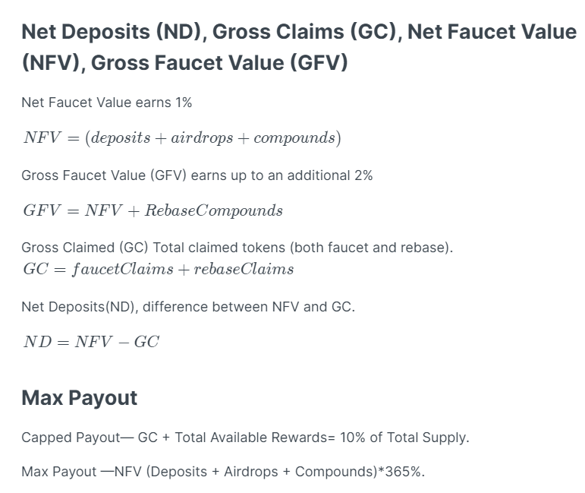

Remember: When you compund, you are both claiming and depositing. Rebase compounds do not count towards your NERD, only Faucet compounds.

